Introduction
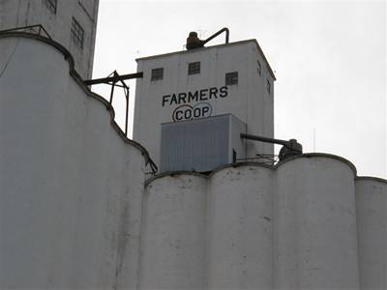
OSU Grain Handling and Storage Cost Calculator

 | Phil Kenkel
 | Department of Agricultural Economics
 | 405-744-9818
 | phil.kenkel@okstate.edu

This simple calculator allows you to project the cost of storing and handling various grains.
Enter information on your elevator in the green cells on the input page
The storage and handling costs are shown on the Income and Expense Sheet
The calculator shows both the variable (annual costs) and the total costs including the fixed ownership costs

 | Click for the publication "Grain Handling and Storage Costs in Country Elevators"

 |  | Forward to Input Page

